ANGLE GRINDERS
ITEM DESCRIPTION | BRAND | SUITABLE MACHINES | IMAGE
ANGLE GRINDER SPARES
AB WASHERS
4" AB WASHER | SAW MASTER | AG4

CARBON BRUSHES
CARBON BRUSH BOSCH 1.619.P11.715 | BOSCH | GWS 900,GWS 750
CARBON BRUSH BOSCH | BOSCH | GWS 600
CARBON BRUSH N489912 | DEWALT | DW801-IN,DW803-IN
CARBON BRUSH | DEWALT | DWE4215
DRILLING MACHINE SPARES
DRILL CHUCK
DRLL CHUCK 1/2" 13MM [1/2-20UNF] | JON BHANDARI

DRILL CHUCK KEY
DRILL CHUCK KEY 13MM | JON BHANDARI

CARBON BRUSH
CARBON BRUSH N022038 | DEWALT | DWD014-IN
CARBON BRUSH BOSCH 2.610.391.290 | BOSCH | GSB-600

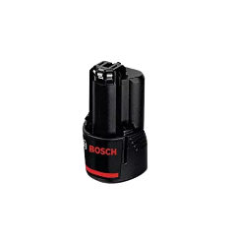
CORDLESS DRILLING MACHINE SPARES
SPARE BATTERY
SPARE BATTERY 12.0V | BOSCH | GSR120-LI

DEMOLITION HAMMER SPARES
CARBON BRUSHES
CARBON BRUSH BOSCH | BOSCH | 11E

CORDLESS CHINA POWER TOOLS
SPARE BATTERY |  | WASHER,BLOWER

